Intro
Link | <<< Link to original LinkedIn post by ExcelBI !

ExcelBI | <<< ExcelBI LinkedIn profile !

ExcelBI website | <<< ExcelBI website has tons of Excel challenges and soltions !

Link | <<< Compete with the best Excel financial modelers in the world!



Kevin Lehrbass | <<< I just finished a contract. Hire me or refer me please and thank you!

Examine the data!
EmployeeID
We see that the height of each vertically stacked group varies.
E001 has 5 rows,
E002 has 4 rows,
E003 has 2 rows, etc
Original data | Examine the data! | Answer Expected
Property,Value | Can you see the patterns and challenges? | EmployeeID | Name | Skill | Role | Location | Status
EmployeeID,E001 |  | E001 | Alice | Excel, Python | Analyst
Name,Alice |  | E002 | Bob |  | Manager | London
Skill,Excel |  | E003 | Charlie
Skill,Python |  | E004 | Diana | PowerBI, DAX, Excel | Developer | Tokyo
Role,Analyst |  | E005 | Evan | Azure | Admin | Sydney | Active
EmployeeID,E002 |  | E006 |  |  |  |  | Leave
Answers Expected
(rearrange data into column & row structure)
Role,Manager
Name,Bob
Skill
Three have 0 skills,
one has 1 skill,
one has 2 skills,
one has 3 skills.
Skills must be concatenated together and separated by a comma.
Location,London
EmployeeID,E003
Name,Charlie
EmployeeID,E004
Location,Tokyo
Skill,PowerBI
Skill,DAX
Skill,Excel
Role,Developer
Name, Role, Location, Status
Only EmployeeID E005 has a value in each of these 4 fields.
Other employees have blanks in at least one field. Employee E006 only has a value in field Status.
Name,Diana
EmployeeID,E005
Skill,Azure
Location,Sydney
Status,Active
Name,Evan
Role,Admin | The variability of the data in column A is what makes it challenging.
EmployeeID,E006
Status,Leave
Original Data

The Hierarchy of Excel Users
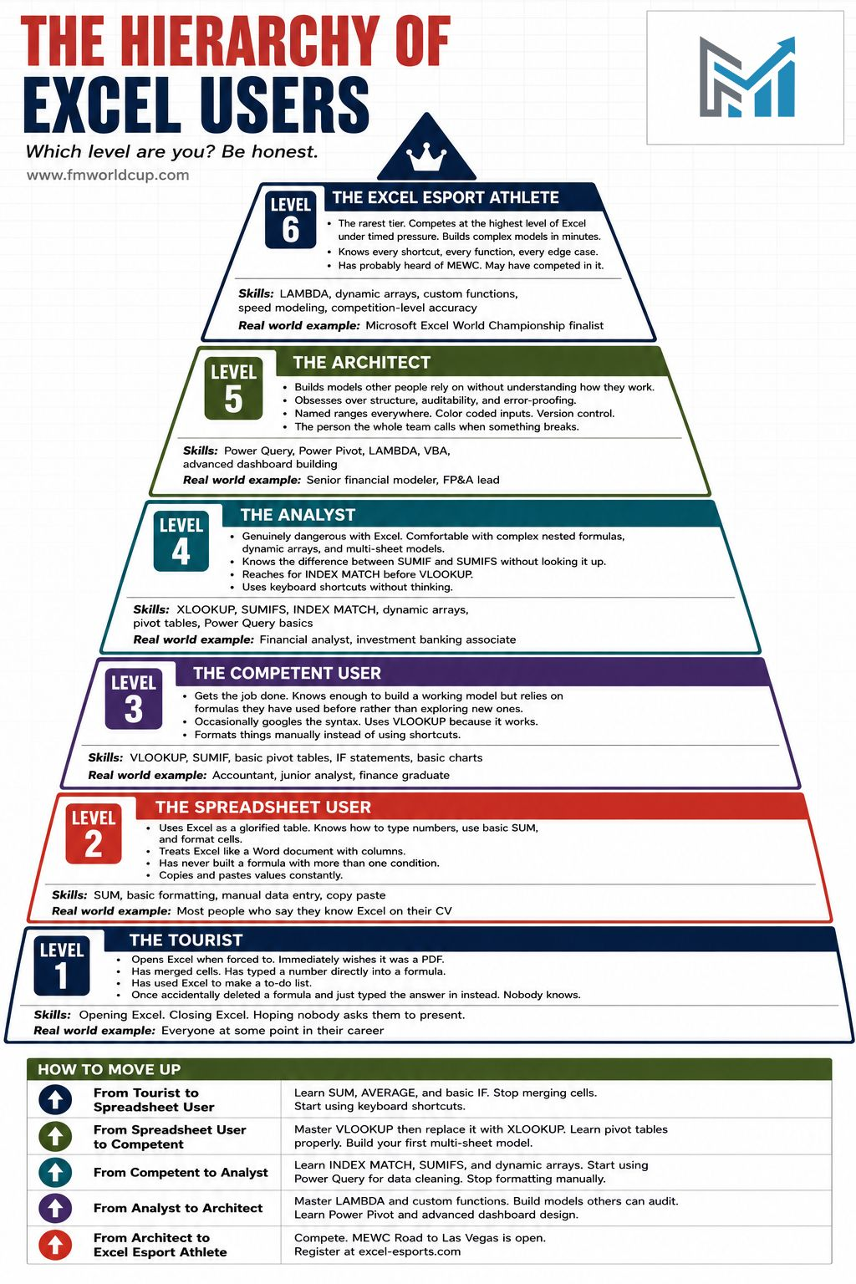

Link | https://excel-esports.com/

🏆 Level 6 — The Excel Esport Athlete
Competes under timed pressure. Builds complex models in minutes. Knows every function, every shortcut, every edge case. The kind of person who looks at a case and sees the solution before everyone else has finished reading the question.
This is what the Microsoft Excel World Championship is built for.
📊 Level 5 — The Architect
Builds models other people rely on without understanding how they work. Obsesses over structure, auditability, and error-proofing. Named ranges everywhere. Color coded inputs. The person the whole team calls when something breaks.
📊 Level 4 — The Analyst
Genuinely dangerous with Excel. Comfortable with complex nested formulas, dynamic arrays, and multi-sheet models. Reaches for INDEX MATCH before VLOOKUP. Uses keyboard shortcuts without thinking about it.
📊 Level 3 — The Competent User
Gets the job done. Knows enough to build a working model but relies on formulas already memorised rather than exploring new ones. Uses VLOOKUP because it works. Formats things manually instead of using shortcuts.
📊 Level 2 — The Spreadsheet User
Uses Excel as a glorified table. Knows SUM. Has never built a formula with more than one condition. Copies and pastes values constantly. Says they know Excel on every job application.
📊 Level 1 — The Tourist
Opens Excel when forced to. Immediately wishes it was a PDF. Has merged cells. Has typed a number directly into a formula. Has used Excel to make a to-do list. Once accidentally deleted a formula and typed the answer in instead.

single formula solutions
Various single cell formula solutions
Original data | Answer Expected
Property,Value | EmployeeID | Name | Skill | Role | Location | Status | Formula Length | EmployeeID | Name | Skill | Role | Location | Status
EmployeeID,E001 | E001 | Alice | Excel, Python | Analyst |  |  | 236 | E001 | Alice | Excel, Python | Analyst
Name,Alice | E002 | Bob |  | Manager | London |  |  | E002 | Bob |  | Manager | London
Skill,Excel | E003 | Charlie |  |  |  |  |  | E003 | Charlie
Skill,Python | E004 | Diana | PowerBI, DAX, Excel | Developer | Tokyo |  |  | E004 | Diana | PowerBI, DAX, Excel | Developer | Tokyo
Role,Analyst | E005 | Evan | Azure | Admin | Sydney | Active |  | E005 | Evan | Azure | Admin | Sydney | Active
EmployeeID,E002 | E006 |  |  |  |  | Leave |  | E006 |  |  |  |  | Leave
Answers Expected
(rearrange data into column & row structure)
Role,Manager
Name,Bob |  |  |  |  |  |  | 290 | E001 | Alice | Excel, Python | Analyst
Location,London |  |  |  |  |  |  |  | E002 | Bob |  | Manager | London
EmployeeID,E003 |  |  |  |  |  |  |  | E003 | Charlie
Name,Charlie |  |  |  |  |  |  |  | E004 | Diana | PowerBI, DAX, Excel | Developer | Tokyo
EmployeeID,E004 |  |  |  |  |  |  |  | E005 | Evan | Azure | Admin | Sydney | Active
Location,Tokyo |  |  |  |  |  |  |  | E006 |  |  |  |  | Leave
Skill,PowerBI
Skill,DAX |  |  |  |  |  |  | 141 | EmployeeID | Name | Skill | Role | Location | Status
Skill,Excel |  |  |  |  |  |  |  | E001 | Alice | Excel, Python | Analyst
Role,Developer |  |  |  |  |  |  |  | E002 | Bob |  | Manager | London
Name,Diana |  |  |  |  |  |  |  | E003 | Charlie
EmployeeID,E005 |  |  |  |  |  |  |  | E004 | Diana | PowerBI, DAX, Excel | Developer | Tokyo
Skill,Azure |  |  |  |  |  |  |  | E005 | Evan | Azure | Admin | Sydney | Active
Original Data
Location,Sydney |  |  |  |  |  |  |  | E006 |  |  |  |  | Leave
Status,Active
Name,Evan |  |  |  |  |  |  | 262 | EmployeeID | Name | Skill | Role | Location | Status
Role,Admin |  |  |  |  |  |  |  | E001 | Alice | Excel, Python | Analyst
EmployeeID,E006 |  |  |  |  |  |  |  | E002 | Bob |  | Manager | London
Status,Leave |  |  |  |  |  |  |  | E003 | Charlie
 |  |  |  |  |  |  |  | E004 | Diana | PowerBI, DAX, Excel | Developer | Tokyo
 |  |  |  |  |  |  |  | E005 | Evan | Azure | Admin | Sydney | Active
 |  |  |  |  |  |  |  | E006 |  |  |  |  | Leave

 |  |  |  |  |  |  | 191 | EmployeeID | Name | Skill | Role | Location | Status
 |  |  |  |  |  |  |  | E001 | Alice | Excel, Python | Analyst
 |  |  |  |  |  |  |  | E002 | Bob |  | Manager | London
 |  |  |  |  |  |  |  | E003 | Charlie
 |  |  |  |  |  |  |  | E004 | Diana | PowerBI, DAX, Excel | Developer | Tokyo
 |  |  |  |  |  |  |  | E005 | Evan | Azure | Admin | Sydney | Active
 |  |  |  |  |  |  |  | E006 |  |  |  |  | Leave

 |  |  |  |  |  |  | 127 | EmployeeID | Name | Skill | Role | Location | Status
 |  |  |  |  |  |  |  | E001 | Alice | Excel, Python | Analyst
 |  |  |  |  |  |  |  | E002 | Bob |  | Manager | London
 |  |  |  |  |  |  |  | E003 | Charlie
 |  |  |  |  |  |  |  | E004 | Diana | PowerBI, DAX, Excel | Developer | Tokyo
 |  |  |  |  |  |  |  | E005 | Evan | Azure | Admin | Sydney | Active
 |  |  |  |  |  |  |  | E006 |  |  |  |  | Leave

helper column solution
Original data | A) Split column A |  | B) Repeat Emp ID | C) Create lookup Key | D) Unique IDs | E) INDEX MATCH | F) COMBINE SKILLS | E) INDEX MATCH | E) INDEX MATCH | E) INDEX MATCH
Property,Value | Property | Value | Repeat ID | Lookup Key | EmployeeID | Name | Skill | Role | Location | Status | Validate solution: Perfect match!
EmployeeID,E001 | EmployeeID | E001 | E001 | E001EmployeeID | E001 | Alice | Excel, Python | Analyst
Name,Alice | Name | Alice | E001 | E001Name | E002 | Bob |  | Manager | London
Skill,Excel | Skill | Excel | E001 | E001Skill | E003 | Charlie
Skill,Python | Skill | Python | E001 | E001Skill | E004 | Diana | PowerBI, DAX, Excel | Developer | Tokyo
Role,Analyst | Role | Analyst | E001 | E001Role | E005 | Evan | Azure | Admin | Sydney | Active
EmployeeID,E002 | EmployeeID | E002 | E002 | E002EmployeeID | E006 |  |  |  |  | Leave
Solution final formula columns
(using simple, easy to understand functions)
Role,Manager | Role | Manager | E002 | E002Role
Name,Bob | Name | Bob | E002 | E002Name
Location,London | Location | London | E002 | E002Location
EmployeeID,E003 | EmployeeID | E003 | E003 | E003EmployeeID
Name,Charlie | Name | Charlie | E003 | E003Name
EmployeeID,E004 | EmployeeID | E004 | E004 | E004EmployeeID
Location,Tokyo | Location | Tokyo | E004 | E004Location
Original Data
Solution helper formula columns
(break down logic into smaller pieces)
Skill,PowerBI | Skill | PowerBI | E004 | E004Skill
Skill,DAX | Skill | DAX | E004 | E004Skill
Skill,Excel | Skill | Excel | E004 | E004Skill
Role,Developer | Role | Developer | E004 | E004Role
Name,Diana | Name | Diana | E004 | E004Name
EmployeeID,E005 | EmployeeID | E005 | E005 | E005EmployeeID
Skill,Azure | Skill | Azure | E005 | E005Skill
Location,Sydney | Location | Sydney | E005 | E005Location
Status,Active | Status | Active | E005 | E005Status
Name,Evan | Name | Evan | E005 | E005Name
Role,Admin | Role | Admin | E005 | E005Role
EmployeeID,E006 | EmployeeID | E006 | E006 | E006EmployeeID
Status,Leave | Status | Leave | E006 | E006Status

